dgrid reorder
The table uses Dgrid, a Dojo component. API is here: | http://dgrid.io/
This is a handy "sandbox" for exploring the various features of Dgrid: | http://dgrid.io/js/dgrid/demos/laboratory/

For this task, you probably only need to know about the ColumnHider extension: | https://github.com/SitePen/dgrid/blob/v1.2.1/doc/components/extensions/ColumnHider.md

 | QueryBasedTablePanelWidget.js
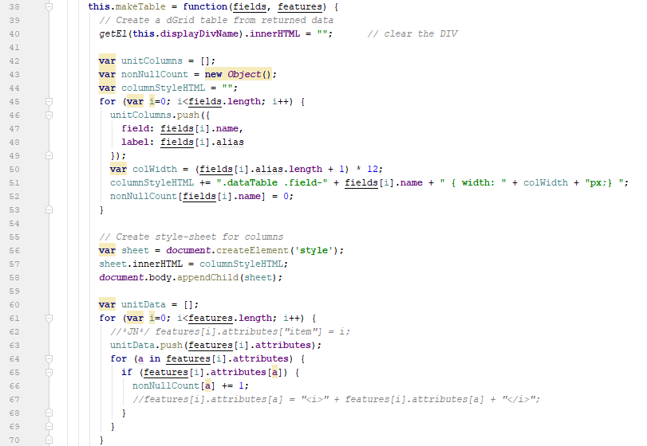

This section defines the column titles and column widths, in the array unitColumns

You would need to add another column here, maybe call it "graphicIndex"?

This section defines the data for the table, in the array unitData.

For each i, make a copy of features[i].attributes, and add another "attribute", which would be the value of i. Then push this into unitData.

Instead of using rowIndex to point to the graphics item, get the graphicIndex for the row, and reference the graphics item using that.

